Rabi 2008-09
GOVERNMENT OF MEGHALAYA
DIRECTORATE OF ECONOMICS & STATISTICS
STATE LEVEL CROP STATISTICS REPORT ON RABI CROPS, 2008-09
(DISTRICT WISE BREAK-UP REPORT)
A = Area in hectares
 |  |  |  |  |  |  |  |  |  |  | P = Production in M.T
 |  |  |  |  |  |  |  |  |  |  | Y = Average yield in kgs/hectare
Name of Crop |  | Ri-Bhoi |  | East Khasi Hills |  | West Khasi Hills |  | Jaintia Hills |  | East Garo Hills |  | West Garo Hills |  | South Garo Hills |  | Meghalaya |  | Percentage
 |  | (Appvd.) |  | (Appvd.) |  | (Appvd.) |  | (Appvd.) |  | (Appvd.) |  | (Appvd.) |  | (Appvd.) |  | (Appvd.) |  | of | Remarks
 |  | 2007-08 | 2008-09 | 2007-08 | 2008-09 | 2007-08 | 2008-09 | 2007-08 | 2008-09 | 2007-08 | 2008-09 | 2007-08 | 2008-09 | 2007-08 | 2008-09 | 2007-08 | 2008-09 | Variation
1 | 2 | 3 | 4 | 5 | 6 | 7 | 8 | 9 | 10 | 11 | 12 | 13 | 14 | 15 | 16 | 17 | 18 | 19 | 20
1. Spring Rice | A | 139 | 187 | 27 | 172 | 50 | 49 | 12 | 40 | 60 | 83 | 11005 | 1971 | 253 | 250 | 11546 | 12752 | 10.45% | Area on spring rice increased due to implementation of NEC & RKBY Schemes. Prodn, however decreased due to unfavourable weather conditions.
 | P | 265 | 393 | 31 | 293 | 88 | 96 | 30 | 87 | 74 | 160 | 47312 | 45214 | 332 | 357 | 48132 | 46600 | -3.18%
 | Y | 1906 | 2102 | 1148 | 1703 | 1760 | 1959 | 2500 | 2175 | 1233 | 1928 | 4299 | 3777 | 1312 | 1428 | 4169 | 3654 | -12.34%
2.Wheat | A | 5 | 4 |  |  | 2 | 2 |  |  | 48 | 50 | 567 | 360 |  |  | 622 | 416 | -33.12% | Regarding Wheat it has denoted a declining trend especially in West Garo hills as the cultivators have replaced Wheat with spring paddy
 | P | 5 | 4 |  |  | 2 | 2 |  |  | 53 | 55 | 1060 | 678 |  |  | 1120 | 739 | -34.02%
 | Y | 1000 | 1000 |  |  | 1000 | 1000 |  |  | 1104 | 1100 | 1869 | 1883 |  |  | 1801 | 1776 | -1.34%
3.Small millets
a. Finger Millet | A | 11 | 11 | 126 | 105 | 135 | 136 | 319 | 205 | 201 | 198 | 155 | 149 | 19 | 18 | 966 | 822 | -14.91%
 | P | 10 | 11 | 133 | 118 | 145 | 153 | 377 | 244 | 136 | 134 | 85 | 83 | 25 | 23 | 911 | 766 | -15.92%
 | Y | 909 | 1000 | 1056 | 1124 | 1074 | 1125 | 1182 | 1190 | 677 | 677 | 548 | 557 | 1316 | 1278 | 943 | 932 | -1.19%
b. Foxtail Millet | A |  | 6 | 71 | 69 | 42 | 39 | 47 | 47 | 175 | 174 | 878 | 870 | 133 | 130 | 1346 | 1335 | -0.82%
 | P |  | 6 | 107 | 105 | 46 | 47 | 65 | 65 | 185 | 184 | 463 | 456 | 180 | 176 | 1046 | 1039 | -0.67%
 | Y |  | 1000 | 1507 | 1522 | 1095 | 1205 | 1383 | 1383 | 1057 | 1057 | 527 | 524 | 1353 | 1354 | 777 | 778 | 0.15%
c. Pearl Millet | A |  |  | 46 | 45 | 28 | 30 |  |  | 54 | 52 | 26 | 25 | 43 | 40 | 197 | 192 | 2.54%
 | P |  |  | 44 | 43 | 30 | 32 |  |  | 47 | 45 | 14 | 11 | 33 | 27 | 168 | 158 | -5.95%
 | Y |  |  | 957 | 956 | 1071 | 1067 |  |  | 870 | 865 | 538 | 440 | 767 | 675 | 853 | 823 | -3.50%
d. Job's tear | A |  |  | 65 | 40 |  |  |  |  |  |  |  |  |  |  | 65 | 40 | -38.46%
 | P |  |  | 65 | 30 |  |  |  |  |  |  |  |  |  |  | 65 | 30 | -53.85%
 | Y |  |  | 1000 | 750 |  |  |  |  |  |  |  |  |  |  | 1000 | 750 | -25.00%
e. Other Millets | A |  |  | 53 | 53 |  |  |  |  |  |  |  |  |  |  | 53 | 53 | 0.00%
 | P |  |  | 58 | 58 |  |  |  |  |  |  |  |  |  |  | 58 | 58 | 0.00%
 | Y |  |  | 1094 | 1094 |  |  |  |  |  |  |  |  |  |  | 1094 | 1094 | 0.00%
Total Small | A | 11 | 17 | 361 | 312 | 205 | 205 | 366 | 252 | 430 | 424 | 1059 | 1044 | 195 | 18 | 2627 | 2442 | -7.04% | Area & prodn. On total small millets decreased due to decline in jhum cultivation
Millets | P | 10 | 17 | 407 | 354 | 221 | 232 | 442 | 309 | 368 | 363 | 562 | 550 | 238 | 226 | 2248 | 2051 | -8.76%
 | Y | 909 | 1000 | 1127 | 1135 | 1078 | 1132 | 1208 | 1226 | 856 | 856 | 531 | 527 | 1221 | 1202 | 856 | 840 | -1.85%
4. Grams | A |  |  |  |  |  |  |  |  | 244 | 226 | 281 | 288 | 19 | 18 | 544 | 530 | -2.57%
 | P |  |  |  |  |  |  |  |  | 142 | 131 | 184 | 188 | 10 | 11 | 336 | 330 | -1.79%
 | Y |  |  |  |  |  |  |  |  | 582 | 580 | 655 | 657 | 526 | 611 | 618 | 623 | 0.81%
5. Other Rabi
Pulses
a. Pea | A | 41 | 23 | 256 | 263 | 20 | 19 | 87 | 86 | 106 | 116 | 484 | 489 | 41 | 38 | 1035 | 1034 | -0.10%
 | P | 25 | 14 | 589 | 742 | 20 | 19 | 63 | 61 | 64 | 70 | 405 | 410 | 84 | 78 | 1250 | 1394 | 11.52%
 | Y | 610 | 609 | 2301 | 2821 | 1000 | 1000 | 724 | 709 | 604 | 603 | 837 | 838 | 2049 | 2053 | 1208 | 1348 | 11.63%
b. Cow Pea | A | 7 | 4 | 1 | 2 | 3 | 2 | 20 | 21 | 104 | 104 | 564 | 565 | 143 | 141 | 842 | 839 | -0.36%
 | P | 6 | 3 | 1 | 2 | 3 | 2 | 14 | 14 | 62 | 62 | 472 | 473 | 42 | 43 | 600 | 599 | -0.17%
 | Y | 857 | 750 | 1000 | 100 | 1000 | 1000 | 700 | 667 | 596 | 596 | 837 | 837 | 294 | 305 | 713 | 714 | 0.19%
c. Lentil | A |  | 2 | 4 | 8 |  |  |  |  | 9 | 9 | 313 | 313 | 11 | 10 | 337 | 342 | 1.48%
 | P |  | 1 | 2 | 4 |  |  |  |  | 5 | 5 | 263 | 263 | 12 | 11 | 282 | 283 | 0.35%
 | Y |  | 500 | 500 | 500 |  |  |  |  | 556 | 556 | 840 | 837 | 1091 | 1100 | 837 | 827 | -1.11%
d. Others | A
 | P
 | Y
Total | A | 48 | 29 | 261 | 273 | 23 | 21 | 107 | 107 | 219 | 229 | 1361 | 1367 | 195 | 189 | 2214 | 2215 | 0.05%
Rabi Pulses | P | 31 | 18 | 592 | 748 | 23 | 21 | 77 | 75 | 131 | 137 | 1140 | 1145 | 138 | 132 | 2132 | 2276 | 6.75%
 | Y | 646 | 621 | 2268 | 2740 | 1000 | 1000 | 720 | 701 | 598 | 598 | 838 | 838 | 708 | 698 | 963 | 1028 | 6.71%
6. Sesamum | A |  |  | 47 | 49 | 24 | 24 | 34 | 34 | 244 | 247 | 1129 | 1116 | 155 | 153 | 1633 | 1623 | -0.61%
 | P |  |  | 35 | 55 | 18 | 19 | 17 | 17 | 122 | 124 | 607 | 600 | 78 | 76 | 877 | 891 | 1.60%
 | Y |  |  | 745 | 1122 | 750 | 792 | 500 | 500 | 500 | 502 | 538 | 538 | 503 | 497 | 537 | 549 | 2.22%
7. Rapeseed & | A | 164 | 149 | 65 | 64 | 28 | 28 | 65 | 66 | 711 | 694 | 6007 | 5982 | 212 | 214 | 7252 | 7197 | -0.76% | Area on rapeseed & mustard decreased since the farmers have shifted to some viable crops
Mustard | P | 70 | 66 | 38 | 36 | 19 | 20 | 62 | 62 | 347 | 489 | 4149 | 4122 | 110 | 111 | 4795 | 4906 | 2.31%
 | Y | 427 | 443 | 585 | 563 | 679 | 714 | 954 | 939 | 488 | 705 | 691 | 689 | 519 | 519 | 661 | 682 | 3.10%
8. Linseed | A |  |  |  |  |  |  |  |  |  |  | 82 | 90 |  |  | 82 | 90 | 9.76%
 | P |  |  |  |  |  |  |  |  |  |  | 39 | 43 |  |  | 39 | 43 | 10.26%
 | Y |  |  |  |  |  |  |  |  |  |  | 476 | 478 |  |  | 476 | 478 | 0.46%
9. Castor | A |  | 3 |  |  |  |  |  |  | 8 | 8 | 20 | 18 |  |  | 28 | 29 | 3.57%
 | P |  | 3 |  |  |  |  |  |  | 4 | 4 | 11 | 10 |  |  | 15 | 17 | 13.33%
 | Y |  | 1000 |  |  |  |  |  |  | 500 | 500 | 550 | 556 |  |  | 536 | 586 | 9.43%
10. Potato | A | 26 | 25 | 11200 | 11270 | 5732 | 5460 | 207 | 209 | 126 | 138 | 481 | 532 | 48 | 56 | 17820 | 17690 | -0.73% | Area & Production of potato has decreased due to shortage of fertilizer in some districts of occurrence of diseases.
(all potatoes) | P | 154 | 154 | 107339 | 109234 | 60146 | 45114 | 1869 | 1002 | 977 | 1070 | 3733 | 4145 | 375 | 419 | 174593 | 161138 | -7.71%
...
GOVERNMENT OF MEGHALAYA
 | Y |  | 586 |  | 619 |  | 676 |  | 500 |  | 250 |  | 449 |  | 512 |  | 523
20.Rubber | A |  | 870 |  | 630 |  | 320 |  | 609 |  | 706 |  | 1007 |  | 642 |  | 4784
 | P |  | 13 |  |  |  | 2 |  | 2 |  | 8 |  | 9 |  | 6 |  | 40
 | Y |  | 15 |  |  |  | 6 |  | 3 |  | 11 |  | 9 |  | 9 |  | 8
21.Coffee | A |  | 68 |  | 1 |  | 23 |  | 4 |  | 27 |  | 58 |  | 22 |  | 203
 | P |  | 23 |  | 0.081 |  | 3 |  | 2 |  | 9 |  | 8 |  | 6 |  | 51.081
 | Y |  | 338 |  | 81 |  | 130 |  | 500 |  | 333 |  | 138 |  | 273 |  | 252

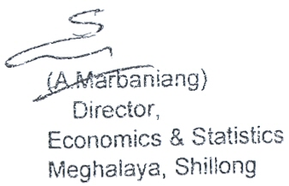
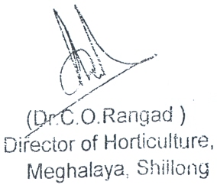
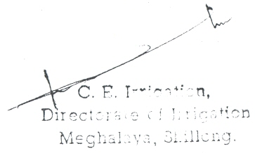

Kharif 2008-09
...
GOVERNMENT OF MEGHALAYA
 | P | 14719 | 14923 | 8560 | 8024 | 4729 | 4636
 | Y | 16938 | 16399 | 11248 | 10642 | 6339 | 6181
12. Papaya | A | 156 | 156 | 92 | 91 | 44 | 42
 | P | 1162 | 1161 | 640 | 632 | 240 | 229
 | Y | 7449 | 7442 | 6947 | 6945 | 545 | 5452
13. Pineapple | A | 3404 | 3654 | 862 | 865 | 796 | 798
 | P | 39199 | 40220 | 6215 | 6216 | 4561 | 4573
 | Y | 11516 | 11007 | 7210 | 7186 | 5730 | 5731

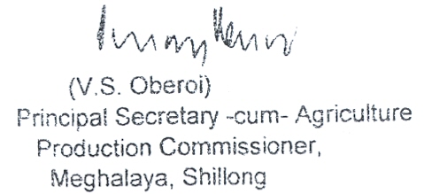

Landuse 2007-08&2008-09
...
GOVERNMENT OF MEGHALAYA
47679 | 47675 | 17230 | 17227 | 17213 | 21190 | 21169 | 21167 | 43115 | 35712 | 35661 | 18012 | 20366 | 20160 | 163168 | 157206 | 156787
18230 | 18186 | 9694 | 9694 | 9683 | 4949 | 4932 | 4930 | 12220 | 11939 | 10151 | 5585 | 4905 | 4875 | 61358 | 60775 | 58666
65909 | 65861 | 26924 | 26921 | 26896 | 26139 | 26101 | 26097 | 55335 | 47651 | 45812 | 23597 | 25271 | 25035 | 224526 | 217981 | 215453
31520 | 31671 | 32065 | 36015 | 36082 | 31389 | 35952 | 36009 | 68934 | 93523 | 94481 | 21644 | 25111 | 25321 | 236775 | 282592 | 284149
...
GOVERNMENT OF MEGHALAYA
6092 | 6533 | 366 | 366 | 366 | 5289 | 5299 | 5303 | 23597 | 24730 | 24896 | 4928 | 5107 | 5564 | 50419 | 52176 | 53245
37612 | 38204 | 32431 | 36381 | 36448 | 36678 | 41251 | 41312 | 92531 | 118253 | 119377 | 26572 | 30218 | 30885 | 287194 | 334768 | 337394

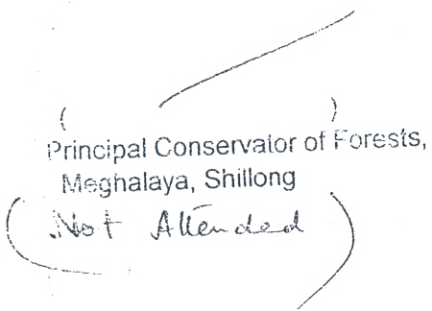
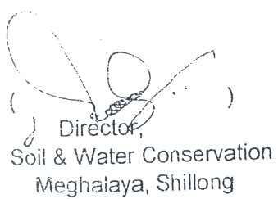

irrigation 2008-09
...
Jaintia Hills |  | East Garo Hills |  | West Garo Hills |  | South Garo Hills |  | Meghalaya
3510.25 | 5718 | 3598 | 5917 | 4597.51 | 7921 | 1180.48 | 2972 | 41020.55 | 44747
7019.25 | 9276.73 | 7010 | 9561 | 6982.51 | 11159.8 | 1800.48 | 3644 | 56548.55 | 61925.76
...
5267 | 5366.1 | 3867 | 4142 | 3275 | 4620 | 1090 | 1103 | 21578 | 23266.3
5481.3 | 7323 | 6030.3 | 6583 | 5550.02 | 8575 | 1235.35 | 3347 | 51362.77 | 49278
10748.3 | 12689.1 | 9897.3 | 10725 | 8825.02 | 13195 | 2325.35 | 4450 | 72940.77 | 72544.3

